Sheet1
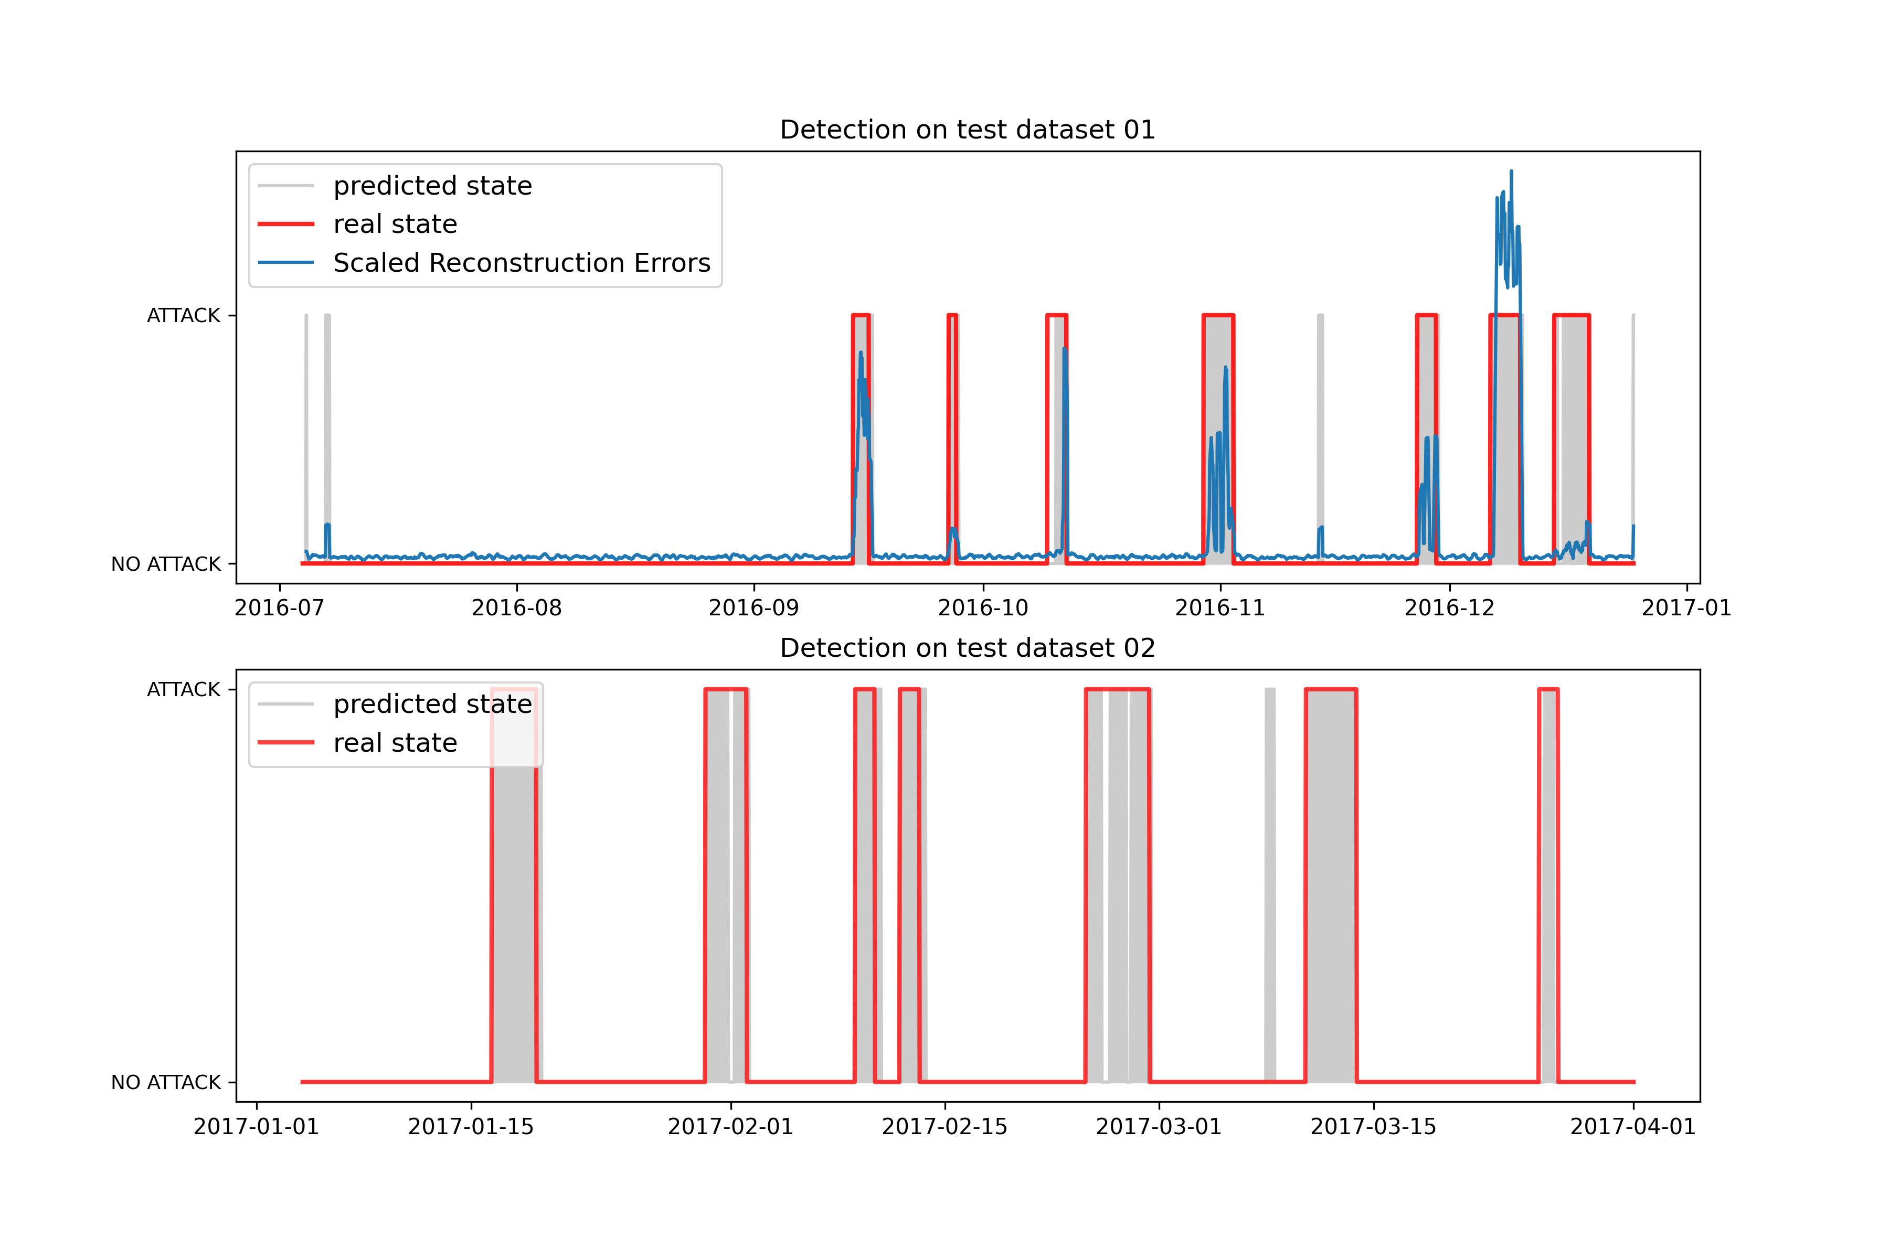
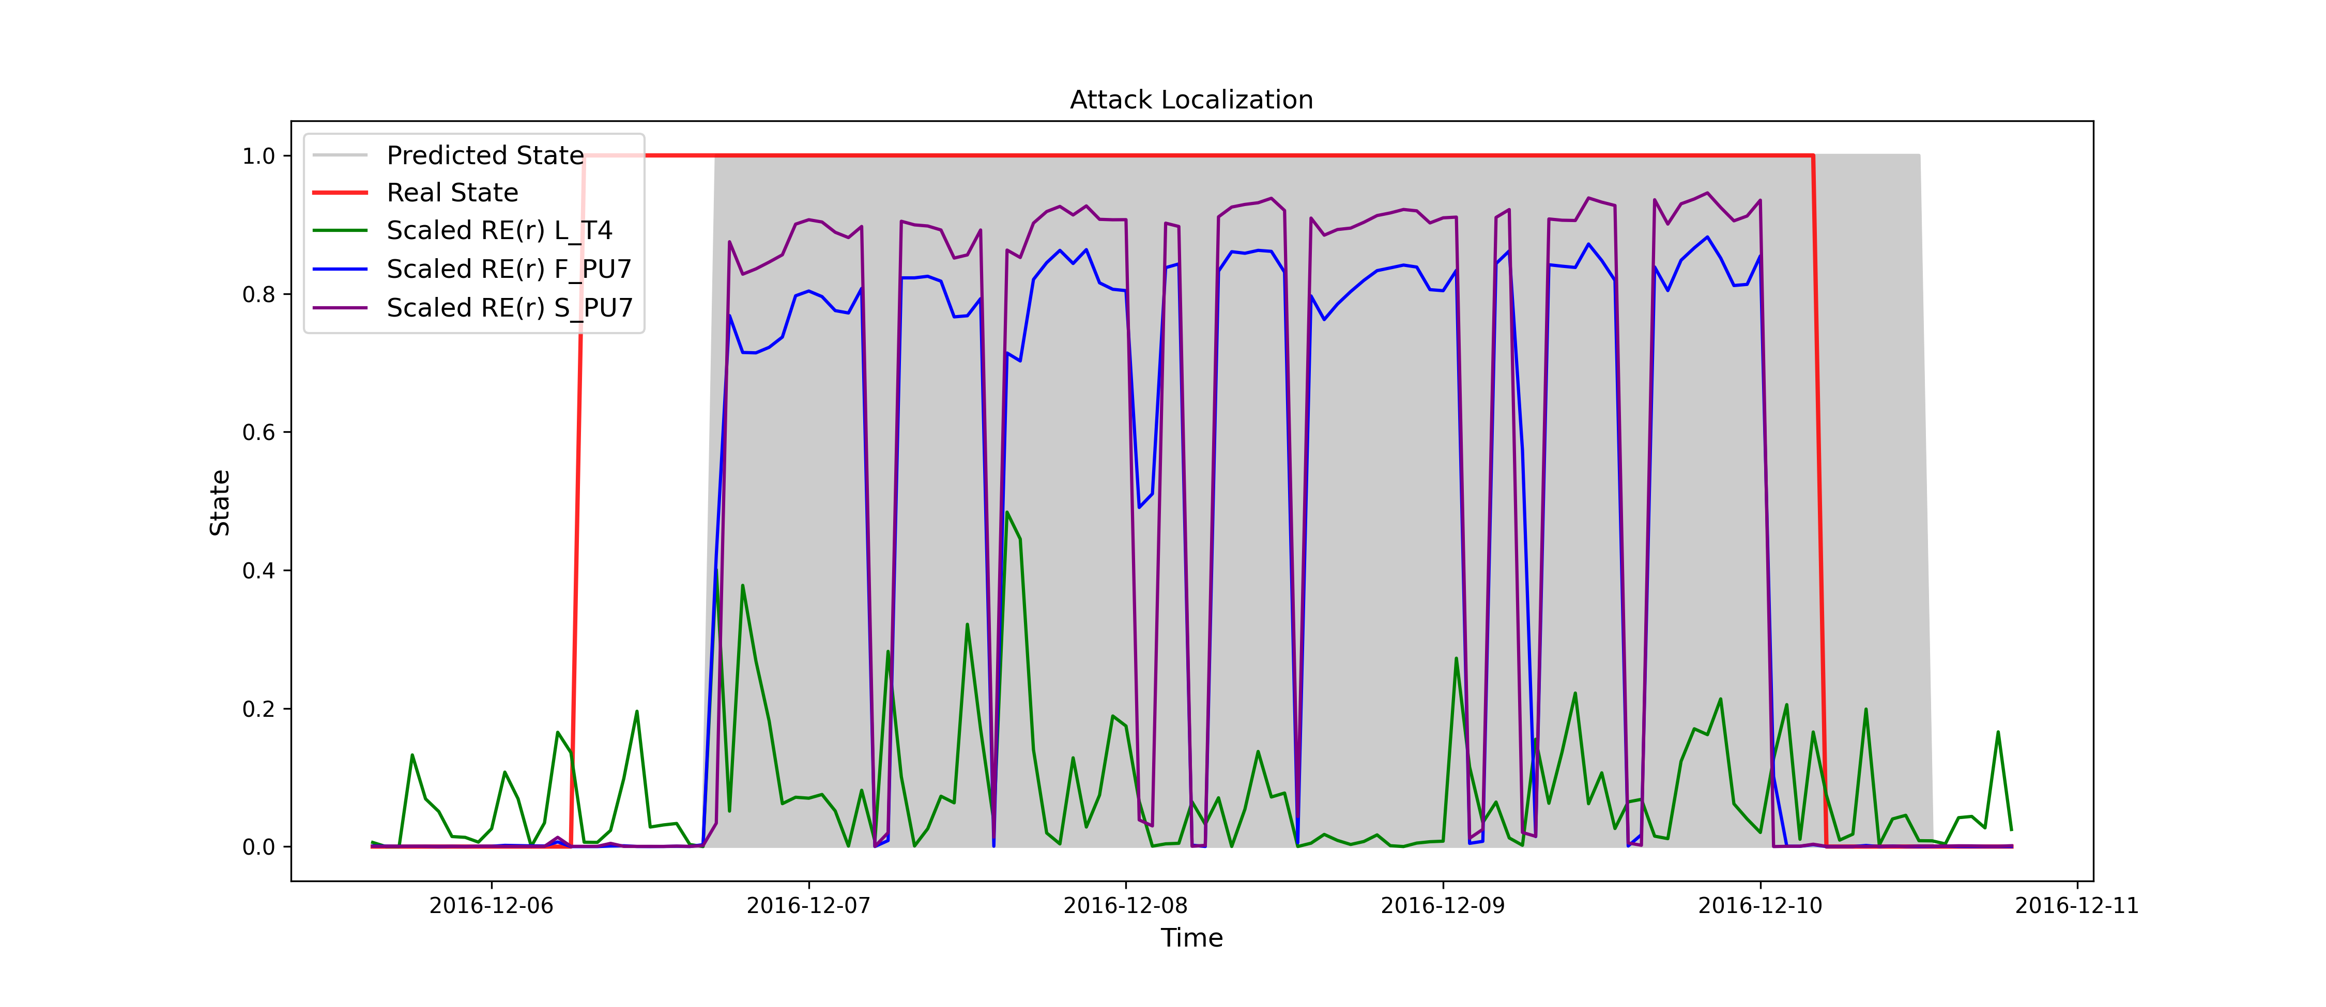
Test 1 | Test 2 |  | att1 | att2 | att3 | att4 | att5 | att6 | att7 | STTD | SCLF | S
Precision: 0.8374485596707819 | Precision: 0.8822055137844611 | Delta_t | 70 | 65 | 31 | 31 | 100 | 80 | 30 | 0.9471559393 | 0.91846096989 | 0.93280845459
Recall / True Positive Rate: 0.8272357723577236 | Recall / True Positive Rate: 0.8648648648648649 | TTD | 3 | 1 | 0 | 0 | 2 | 2 | 8
F1 Score: 0.8323108384458079 | F1 Score: 0.8734491315136476 | TTD/Delta_t | 0.042857142857 | 0.015384615385 | 0 | 0 | 0.02 | 0.025 | 0.26666666667
Accuracy: 0.9607373713191285 | Accuracy: 0.9511728099569172
Specificity / True Negative Rate: 0.978561736770692 | Specificity / True Negative Rate: 0.9720570749108205

